README
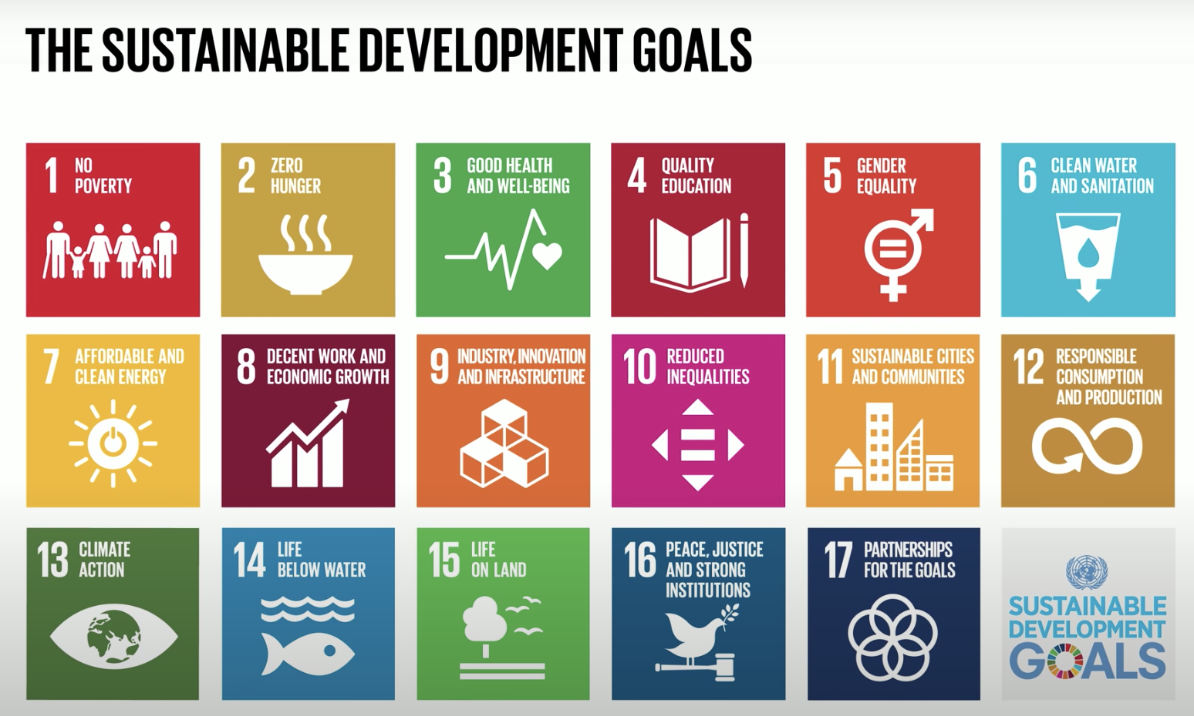
SDG Vocabulary
A set of controlled terms that define the scope and breadth of Sustainable Development Goals (SDGs) as defined by the United Nations. These terms may be used to tag and index textual records in accordance with SDGs.

Authors
Nicolau Duran-Silva; Enric Fuster; Francesco Alessandro Massucci; Arnau Quinquillà
SIRIS Academic, Barcelona, Spain
http://www.sirisacademic.com/
mailto:francesco.massucci@sirisacademic.com

Link to the official UN SDG page
https://sustainabledevelopment.un.org/

Methodology
The vocabulary is constructed by means of the following steps: 1. An initial set of terms per SDG target is built by extracting key terms from the UN official list of Goals, Targets and Indicators 2. The list is manually enriched by performing a review of the literature produced around SDGs and by compiling lists of pertinent words per Target mentioned by the reviewed documents 3. A reference textual corpus is downloaded by searching for the initial set terms defined at step 1. and 2. The corpus is used to train a Word2Vec word embedding model (a machine learning model based on neural networks). 4. The terms’ list is then enriched by means of automatic methods, which are run in parallel: - The trained Word2Vec model is used to select, among the indexed keywords of the reference corpus, all terms “semantically close” to the initial set of words. This step is carried out to select terms that might not appear in the texts themselves, but that were deemed pertinent to label the textual records. - Further terms that are mentioned in the texts of the reference corpus and that are valued by the trained Word2Vec model as “semantically close” to the initial set of words are also retained. This step is performed to include in the controlled vocabulary a series of terms that are related to the focus of the SDGs and which are used by practitioners. - An automated algorithm is used to retrieve, from the APIs of WikiPedia a series of terms that have some categorical relationships (i.e. those that are indexed as “a broader concept of”, or “equivalent to” in DBpedia) with the initial set of words. 5. The final list produced by steps 1-4 s finally manually revised

Usage
This workbook features a worksheet for each SDG (from 1 to 16, SDG 17 is not currently covered). Each worksheet reports a series of key terms that define the semantic perimeter of each respective Sustainable Development Goal. Those perimeters may be used in turn to link (index) textual records in accordance with SDGs. Each worksheet has 4 columns: 1. SDG - the respective SDG 2. ID - the unique ID of the key term 3. keyword - the key term to be used 4. extra - for some generic key terms, we added some contextual "extra" terms that should co-appear with the key-term for it to belong to the SDG perimeter. More than one extra term is allowed, each separated by a pipe "|". E.g., for SDG 2, "food production" only belongs to the SDG perimeter if it mentioned in conjunction with "sustainability" OR "sustainable" OR "resilience", etc. We provide this list so that it can be exploited to characterise the SDG perimeter and to possibly map textual corpora onto SDGs

